Guidance Notes
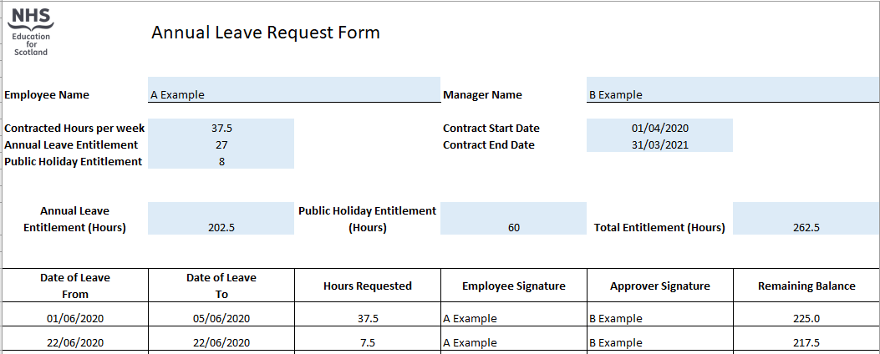
Guidance Notes:

To calculate leave entitlement follow the below steps:

1. Enter weekly contracted hours

2. Select yearly annual leave entitlement in days as per below table
Length of service | Annual leave + Public Holidays
On appointment | 202.5 + 60 hours (27 + 8 days)
After 5 years service | 217.5 + 60 hours (29 + 8 days)
After 10 years service | 247.5 + 60 hours (33 + 8 days)

3. Enter contract start and end dates

4. Annual leave and Public Holiday entitlement will be calculated in hours for the duration of the contract, the total entitlement will be rounded up to the nearest half hour

When requesting leave enter the start and end date of leave and the total number of hours requested as per below example, the remaining balance will calculate by deducting the leave requested from the total entitlement

Example:

